TOTAL
Alkalmazott szűrők: Highlighted nem egyezik ezzel: (Üres) Arrival_date ekkori vagy későbbi a következőnél: 2026.05.04. 0:00:00 és dátuma korábbi, mint 2026.05.11. 0:00:00 Mandatory egyezik ezzel: Yes LSP egyezik ezzel: Maersk Canceled_shipment egyezik ezzel: N

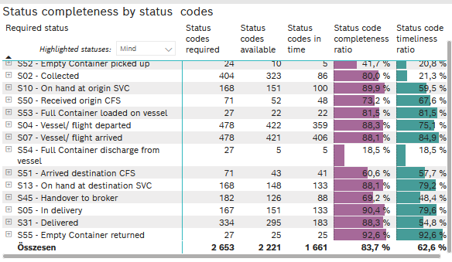
Required status | STATUS_TYPE | Service_Provider | Status codes required | Status codes available | Status codes in time | Status code completeness ratio | Status code timeliness ratio
S60 - Pre-Booking confirmed | Actual | 0000056066 - Maersk | 27 | 27 | 27 | 100.0 % | 100.0 %
S52 - Empty Container picked up | Actual | 0000056066 - Maersk | 24 | 10 | 5 | 41.7 % | 20.8 %
S02 - Collected | Actual | 0000056066 - Maersk | 214 | 162 | 86 | 75.7 % | 40.2 %
S02 - Collected | Estimated | 0000056066 - Maersk | 190 | 161 | 0 | 84.7 % | 0.0 %
S10 - On hand at origin SVC | Actual | 0000056066 - Maersk | 168 | 151 | 100 | 89.9 % | 59.5 %
S50 - Received origin CFS | Actual | 0000056066 - Maersk | 71 | 52 | 48 | 73.2 % | 67.6 %
S53 - Full Container loaded on vessel | Actual | 0000056066 - Maersk | 27 | 22 | 22 | 81.5 % | 81.5 %
S04 - Vessel/ flight departed | Actual | 0000056066 - Maersk | 239 | 210 | 195 | 87.9 % | 81.6 %
S04 - Vessel/ flight departed | Estimated | 0000056066 - Maersk | 239 | 212 | 164 | 88.7 % | 68.6 %
S07 - Vessel/ flight arrived | Actual | 0000056066 - Maersk | 239 | 206 | 206 | 86.2 % | 86.2 %
S07 - Vessel/ flight arrived | Estimated | 0000056066 - Maersk | 239 | 215 | 200 | 90.0 % | 83.7 %
S54 - Full Container discharge from vessel | Actual | 0000056066 - Maersk | 27 | 5 | 5 | 18.5 % | 18.5 %
S51 - Arrived destination CFS | Actual | 0000056066 - Maersk | 71 | 43 | 41 | 60.6 % | 57.7 %
S13 - On hand at destination SVC | Actual | 0000056066 - Maersk | 168 | 148 | 133 | 88.1 % | 79.2 %
S45 - Handover to broker | Actual | 0000056066 - Maersk | 91 | 66 | 63 | 72.5 % | 69.2 %
S45 - Handover to broker | Estimated | 0000056066 - Maersk | 91 | 60 | 25 | 65.9 % | 27.5 %
S05 - In delivery | Actual | 0000056066 - Maersk | 167 | 151 | 133 | 90.4 % | 79.6 %
S31 - Delivered | Actual | 0000056066 - Maersk | 167 | 144 | 78 | 86.2 % | 46.7 %
S31 - Delivered | Estimated | 0000056066 - Maersk | 167 | 151 | 105 | 90.4 % | 62.9 %
S55 - Empty Container returned | Actual | 0000056066 - Maersk | 27 | 25 | 25 | 92.6 % | 92.6 %

BCO
Alkalmazott szűrők: Highlighted nem egyezik ezzel: (Üres) Arrival_date ekkori vagy későbbi a következőnél: 2026.05.04. 0:00:00 és dátuma korábbi, mint 2026.05.11. 0:00:00 Mandatory egyezik ezzel: Yes LSP egyezik ezzel: Maersk Service_Load egyezik ezzel: BCO Canceled_shipment egyezik ezzel: N

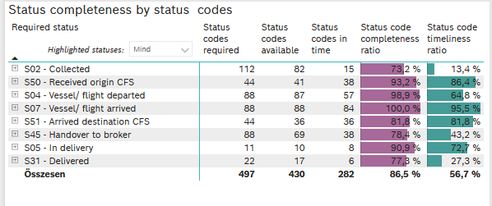
Required status | STATUS_TYPE | Service_Provider | Status codes required | Status codes available | Status codes in time | Status code completeness ratio
S02 - Collected | Actual | 0000056066 - Maersk | 56 | 40 | 15 | 71.4 %
S02 - Collected | Estimated | 0000056066 - Maersk | 56 | 42 | 0 | 75.0 %
S50 - Received origin CFS | Actual | 0000056066 - Maersk | 44 | 41 | 38 | 93.2 %
S04 - Vessel/ flight departed | Actual | 0000056066 - Maersk | 44 | 43 | 38 | 97.7 %
S04 - Vessel/ flight departed | Estimated | 0000056066 - Maersk | 44 | 44 | 19 | 100.0 %
S07 - Vessel/ flight arrived | Actual | 0000056066 - Maersk | 44 | 44 | 44 | 100.0 %
S07 - Vessel/ flight arrived | Estimated | 0000056066 - Maersk | 44 | 44 | 40 | 100.0 %
S51 - Arrived destination CFS | Actual | 0000056066 - Maersk | 44 | 36 | 36 | 81.8 %
S45 - Handover to broker | Actual | 0000056066 - Maersk | 44 | 36 | 35 | 81.8 %
S45 - Handover to broker | Estimated | 0000056066 - Maersk | 44 | 33 | 3 | 75.0 %
S05 - In delivery | Actual | 0000056066 - Maersk | 11 | 10 | 8 | 90.9 %
S31 - Delivered | Actual | 0000056066 - Maersk | 11 | 9 | 6 | 81.8 %
S31 - Delivered | Estimated | 0000056066 - Maersk | 11 | 8 | 0 | 72.7 %

FCL
Alkalmazott szűrők: Highlighted nem egyezik ezzel: (Üres) Arrival_date ekkori vagy későbbi a következőnél: 2026.05.04. 0:00:00 és dátuma korábbi, mint 2026.05.11. 0:00:00 Mandatory egyezik ezzel: Yes LSP egyezik ezzel: Maersk Service_Load egyezik ezzel: FCL Canceled_shipment egyezik ezzel: N
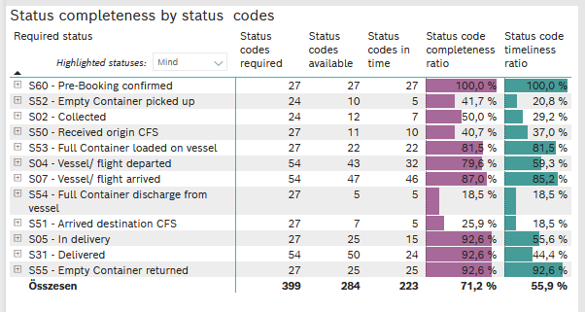
Required status | STATUS_TYPE | Service_Provider | Status codes required | Status codes available | Status codes in time | Status code completeness ratio | Status code timeliness ratio
S60 - Pre-Booking confirmed | Actual | 0000056066 - Maersk | 27 | 27 | 27 | 100.0 % | 100.0 %
S52 - Empty Container picked up | Actual | 0000056066 - Maersk | 24 | 10 | 5 | 41.7 % | 20.8 %
S02 - Collected | Actual | 0000056066 - Maersk | 24 | 12 | 7 | 50.0 % | 29.2 %
S50 - Received origin CFS | Actual | 0000056066 - Maersk | 27 | 11 | 10 | 40.7 % | 37.0 %
S53 - Full Container loaded on vessel | Actual | 0000056066 - Maersk | 27 | 22 | 22 | 81.5 % | 81.5 %
S04 - Vessel/ flight departed | Actual | 0000056066 - Maersk | 27 | 22 | 22 | 81.5 % | 81.5 %
S04 - Vessel/ flight departed | Estimated | 0000056066 - Maersk | 27 | 21 | 10 | 77.8 % | 37.0 %
S07 - Vessel/ flight arrived | Actual | 0000056066 - Maersk | 27 | 24 | 24 | 88.9 % | 88.9 %
S07 - Vessel/ flight arrived | Estimated | 0000056066 - Maersk | 27 | 23 | 22 | 85.2 % | 81.5 %
S54 - Full Container discharge from vessel | Actual | 0000056066 - Maersk | 27 | 5 | 5 | 18.5 % | 18.5 %
S51 - Arrived destination CFS | Actual | 0000056066 - Maersk | 27 | 7 | 5 | 25.9 % | 18.5 %
S05 - In delivery | Actual | 0000056066 - Maersk | 27 | 25 | 15 | 92.6 % | 55.6 %
S31 - Delivered | Actual | 0000056066 - Maersk | 27 | 26 | 21 | 96.3 % | 77.8 %
S31 - Delivered | Estimated | 0000056066 - Maersk | 27 | 24 | 3 | 88.9 % | 11.1 %
S55 - Empty Container returned | Actual | 0000056066 - Maersk | 27 | 25 | 25 | 92.6 % | 92.6 %

LCL
Alkalmazott szűrők: Highlighted nem egyezik ezzel: (Üres) Arrival_date ekkori vagy későbbi a következőnél: 2026.05.04. 0:00:00 és dátuma korábbi, mint 2026.05.11. 0:00:00 Mandatory egyezik ezzel: Yes LSP egyezik ezzel: Maersk Service_Load egyezik ezzel: LCL Canceled_shipment egyezik ezzel: N

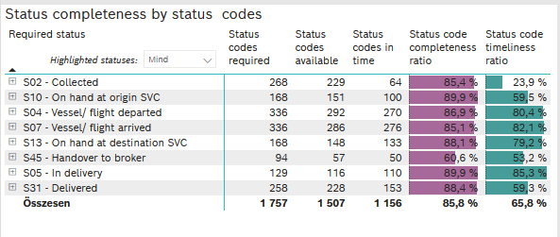
Required status | STATUS_TYPE | Service_Provider | Status codes required | Status codes available | Status codes in time | Status code completeness ratio | Status code timeliness ratio
S02 - Collected | Actual | 0000056066 - Maersk | 134 | 110 | 64 | 82.1 % | 47.8 %
S02 - Collected | Estimated | 0000056066 - Maersk | 134 | 119 | 0 | 88.8 % | 0.0 %
S10 - On hand at origin SVC | Actual | 0000056066 - Maersk | 168 | 151 | 100 | 89.9 % | 59.5 %
S04 - Vessel/ flight departed | Actual | 0000056066 - Maersk | 168 | 145 | 135 | 86.3 % | 80.4 %
S04 - Vessel/ flight departed | Estimated | 0000056066 - Maersk | 168 | 147 | 135 | 87.5 % | 80.4 %
S07 - Vessel/ flight arrived | Actual | 0000056066 - Maersk | 168 | 138 | 138 | 82.1 % | 82.1 %
S07 - Vessel/ flight arrived | Estimated | 0000056066 - Maersk | 168 | 148 | 138 | 88.1 % | 82.1 %
S13 - On hand at destination SVC | Actual | 0000056066 - Maersk | 168 | 148 | 133 | 88.1 % | 79.2 %
S45 - Handover to broker | Actual | 0000056066 - Maersk | 47 | 30 | 28 | 63.8 % | 59.6 %
S45 - Handover to broker | Estimated | 0000056066 - Maersk | 47 | 27 | 22 | 57.4 % | 46.8 %
S05 - In delivery | Actual | 0000056066 - Maersk | 129 | 116 | 110 | 89.9 % | 85.3 %
S31 - Delivered | Actual | 0000056066 - Maersk | 129 | 109 | 51 | 84.5 % | 39.5 %
S31 - Delivered | Estimated | 0000056066 - Maersk | 129 | 119 | 102 | 92.2 % | 79.1 %

 |  |  |  |  |  |  |  | 86%

